Execution Flight Log
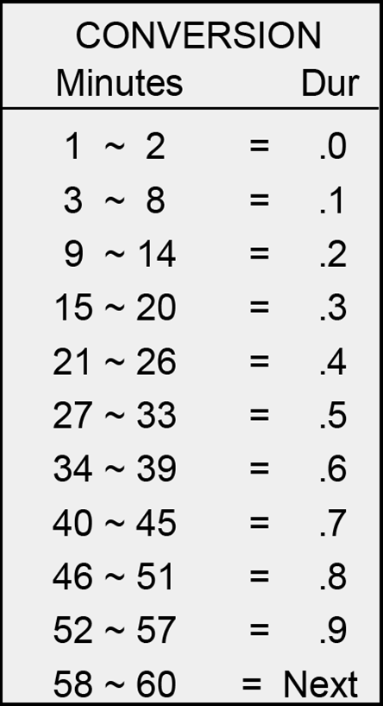
Date | Tail Number | FCP (Name) | RCP (Name) | T/O Time (L) | Land Time (L) (w/ +5 MIN) | Duration | Comments | Time Remaining
28-Aug-2025 | Black Jet (N20PL) | Savage | --- | --- | --- | 1.2 | Pre-execution tests | 0.3
28-Aug-2025 | Blue Jet (N429GC) | Mach | --- | --- | --- | 1.2 | Pre-execution tests
2-Sep-2025 | Black Jet (N20PL) | Savage | --- | --- | --- | 1.2 | Pre-execution tests
2-Sep-2025 | Blue Jet (N429GC) | Mach | --- | --- | --- | 1.2 | Pre-execution tests
8-Sep-2025 | Black Jet (N20PL) | Chuck | Savage | 10:48:00 | 11:52:00 | 1.1 | Winds 28913 @ 12k ft TC: Colt Completed: HH / Scenarios A, B Completed: HA / Scenarion A
8-Sep-2025 | Blue Jet (N429GC) | Mach | FOD | 10:48:00 | 11:53:00 | 1.1
9-Sep-2025 | Black Jet (N20PL) | Indy | Savage | 9:35:00 | 10:38:00 | 1.1 | Winds 22315 @ 9k ft TC: Colt Completed: HH / Scenarios B, C, D
9-Sep-2025 | Blue Jet (N429GC) | Mach | FRODO | 9:35:00 | 10:39:00 | 1.1
9-Sep-2025 | Black Jet (N20PL) | TARS | Savage | 12:45:00 | 13:51:00 | 1.1 | Winds 23216 @ 9k ft TC: Colt Completed: HH / Scenarios C, D Completed: AA / Scenarios C
9-Sep-2025 | Blue Jet (N429GC) | Mach | ELVIS | 12:46:00 | 13:52:00 | 1.1
10-Sep-2025 | Black Jet (N20PL) | Mach | Chuck | 10:12:00 | 11:19:00 | 1.1 | Winds 30013 @ 9k ft TC: Colt Completed: HH, HA, AH, AA / Scenario C
10-Sep-2025 | Blue Jet (N429GC) | Savage | FLASH | 10:12:00 | 11:20:00 | 1.1
10-Sep-2025 | Black Jet (N20PL) | Mach | Chuck | 13:59:00 | 14:57:00 | 1.0 | Winds 32015 @ 9k ft TC: Colt Completed: HA, AA / Scenario C
10-Sep-2025 | Blue Jet (N429GC) | Savage | FLASH | 13:59:00 | 14:57:00 | 1.0
11-Sep-2025 | Black Jet (N20PL) | Indy | Savage | 9:34:00 | 10:35:00 | 1.0 | Winds 33315 @ 9k ft TC: Colt Completed: HH, HA / Scenario C Completed: HA / Scenario D
11-Sep-2025 | Blue Jet (N429GC) | Mach | FOD | 9:34:00 | 10:35:00 | 1.0
11-Sep-2025 | Black Jet (N20PL) | Indy | Savage | 12:17:00 | 13:22:00 | 1.1 | Winds 31311 @ 9k ft TC: Colt Completed: AH, AA / Scenario C Completed: AA / Scenario D
11-Sep-2025 | Blue Jet (N429GC) | Mach | FOD | 12:17:00 | 13:22:00 | 1.1
11-Sep-2025 | Black Jet (N20PL) | Tars | Savage | 15:06:00 | 16:05:00 | 1.0 | Winds 31810 @ 9k ft TC: Colt Completed: HH, HA / Scenario C Completed: HA / Scenario D
11-Sep-2025 | Blue Jet (N429GC) | Mach | FRODO | 15:07:00 | 16:06:00 | 1.0
12-Sep-2025 | Black Jet (N20PL) | Chuck | Savage | 8:51:00 | 10:08:00 | 1.3 | Winds 24808 @ 9k ft TC: Colt Completed: HH, HA, AH, AA, HA / Scenario C
12-Sep-2025 | Blue Jet (N429GC) | Mach | ELVIS | 8:51:00 | 10:08:00 | 1.3
12-Sep-2025 | Black Jet (N20PL) | Tars | Savage | 12:03:00 | 13:05:00 | 1.0 | Winds 31805 @ 9k ft TC: Colt Completed: AH, AA / Scenario C Completed: AA/ Scenario D
12-Sep-2025 | Blue Jet (N429GC) | Mach | FRODO | 12:03:00 | 13:05:00 | 1.0
12-Sep-2025 | Black Jet (N20PL) | Savage | --- | 14:48:00 | 16:03:00 | 1.3 | Winds 22407@ 12k ft TC: Colt Completed: HH, HA, AH, AA / Scenario C
12-Sep-2025 | Blue Jet (N429GC) | Mach | ELVIS | 14:48:00 | 16:03:00 | 1.3
14-Sep-2025 | Blue Jet (N429GC) | Assassin | Savage | --- | --- | 0.3 | Training flight for Assassin
15-Sep-2025 | Black Jet (N20PL) | Pig | Savage | 11:11:00 | 12:16:00 | 1.1 | Winds 19114 @ 9k ft TC: Colt Completed: HH, HA / Scenario C Completed: HA / Scenario D
15-Sep-2025 | Blue Jet (N429GC) | Assassin | FLASH | 11:11:00 | 12:16:00 | 1.1
16-Sep-2025 | Black Jet (N20PL) | Assassin | Col Karlen | 9:21:00 | 10:38:00 | 1.3 | Winds 16504 @ 9k ft TC: Colt Completed: HH, HA, AH, AA / Scenario C
16-Sep-2025 | Blue Jet (N429GC) | Savage | FOD | 9:21:00 | 10:38:00 | 1.3
16-Sep-2025 | Black Jet (N20PL) | Chuck | Savage | 12:16:50 | 13:09:00 | 0.9 | Winds 11004 @ 9k ft TC: Colt Completed: HA, AA / Scenario D
16-Sep-2025 | Blue Jet (N429GC) | Assassin | FRODO | 12:16:00 | 13:09:00 | 0.9
16-Sep-2025 | Black Jet (N20PL) | Pig | INDY | 14:51:22 | 15:56:20 | 1.1 | Winds 23103 @ 9k ft TC: Colt Completed: AH, AA / Scenario C Completed: AA / Scenario D
16-Sep-2025 | Blue Jet (N429GC) | Assassin | FLASH | 14:51:29 | 15:56:33 | 1.1
17-Sep-2025 | Black Jet (N20PL) | Savage | TARS | 9:28:00 | 10:31:00 | 1.1 | Winds 21303 @ 9k ft TC: Colt Completed: HA, AA? / Scenario D
17-Sep-2025 | Blue Jet (N429GC) | Pig | ELVIS | 9:28:00 | 10:31:00 | 1.1
17-Sep-2025 | Black Jet (N20PL) | Assassin | TARS | 11:53:05 | 12:51:53 | 1.0 | Winds 20909 @ 9k ft TC: Colt Completed: HA, AA / Scenario D Completed:
17-Sep-2025 | Blue Jet (N429GC) | Pig | FRODO | 11:53:24 | 12:51:56 | 1.0
17-Sep-2025 | Black Jet (N20PL) | Indy | Savage | 14:18:00 | 15:19:00 | 1.0 | Winds 21310 @ 9k ft TC: Colt Completed: HH, HA Scenario C Completed: AA Scenario D
17-Sep-2025 | Blue Jet (N429GC) | Assassin | ELVIS | 14:18:00 | 15:19:00 | 1.0
17-Sep-2025 | Blue Jet (N429GC) | Assassin | --- | --- | --- | 0.4 | Winds @ k ft TC: Colt Completed: Completed:

 |  | Flights in FCP | Flights in RCP | Total Flights
 | Chuck | 3 | 2 | 5
 | Indy | 4 | 1 | 5 |  | TPS
 | Tars | 3 | 2 | 5 |  | OPL
 | Frodo | 0 | 5 | 5 |  | Attached
 | Flash | 0 | 4 | 4
 | Fod | 0 | 4 | 4
 | Elvis | 0 | 5 | 5
 | Assassin | 8 | 0 | 8
 | Mach | 13 | 0 | 13
 | Savage | 7 | 12 | 19
 | Pig | 4 | 0 | 4

